Sheet1
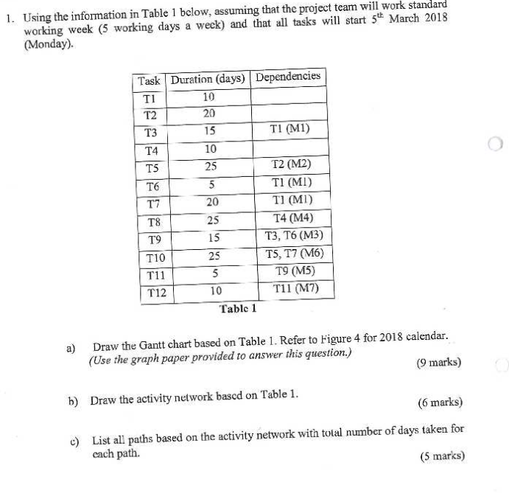
 | w1 | w2 | w3 | w4 | w5 | w6 | w7 | w8 | w9 | w10 | w11 | w12 | w13 | w14 | w15
T1
T2
T4
T3
T5
T6
T7
T8
T9
T10
T11
T12

 |  |  |  | Fig: activity diagram

Paths
T1->T6->T9->T11->T12=10+5+15+5+10=45
T1->T3->T9->T11->T12=10+15+15+5+10=55
T1->T7->T10=10+20+25=55
T2->T5->T10=20+25+25=70(CRITICAL PATH)
T4->T8=10+25=35

after completion of path calculation Mark the critical patha in gantt chart

